State Values
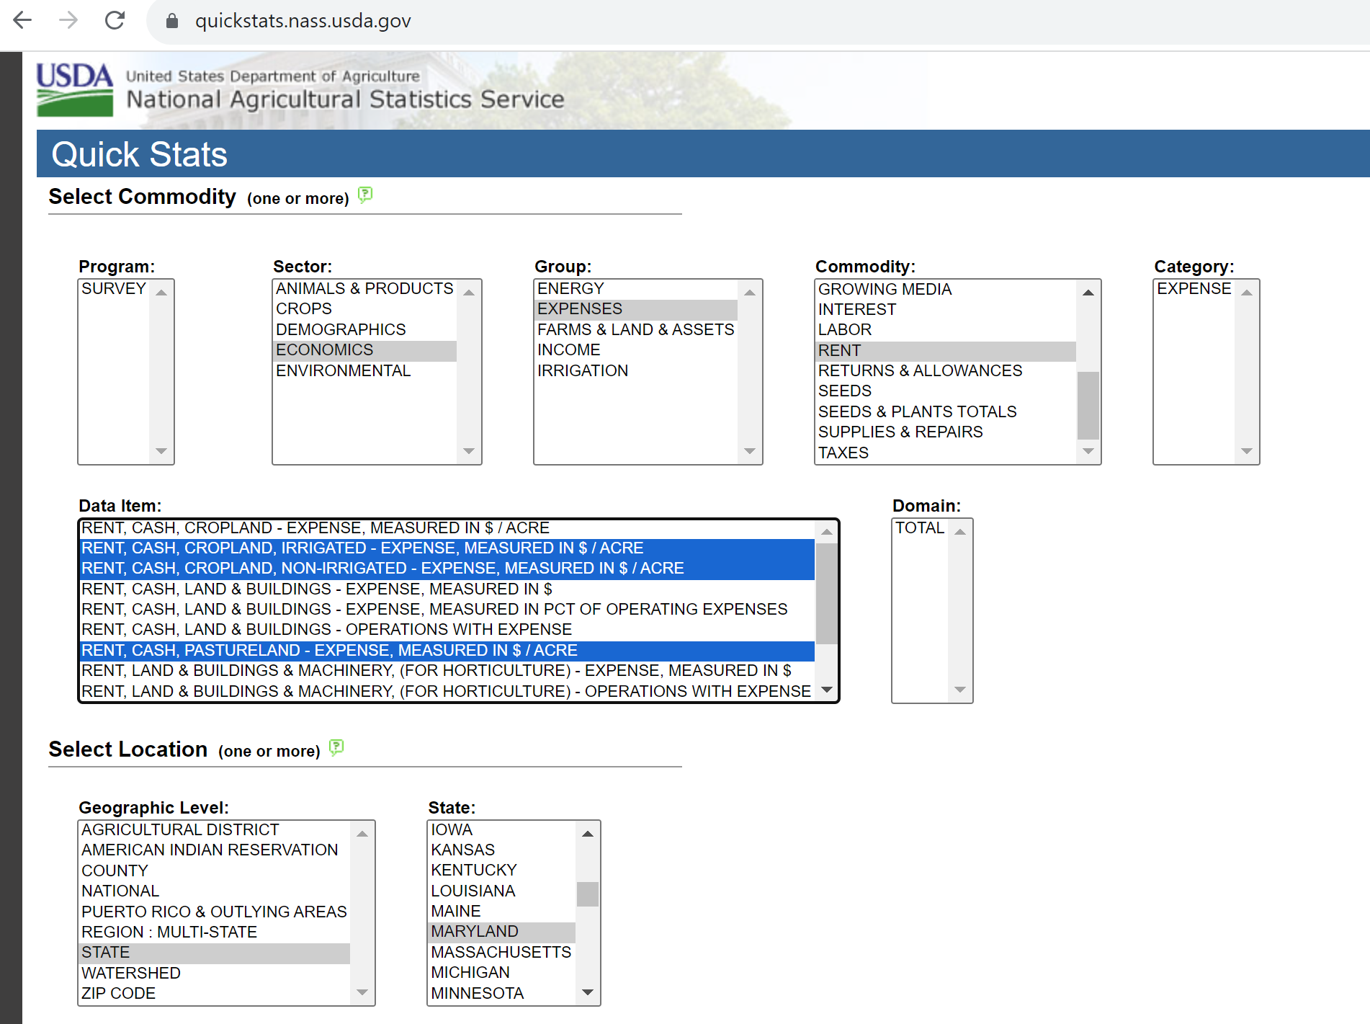
The State's Cash Rental Rates, $/acre
 | 2009 | 2010 | 2011 | 2012 | 2013 | 2015 | 2014 | 2016 | 2017 | 2018 | 2019 | 2020 | 2021 | 2022 | 2023 | 2024 | 2025
Non-Irrigated | $67 | $63 | $67 | $82 | $89 |  | $92 | $100 | $94 |  | $100 | $98 | $103 | $111 | $117 | $124 | $120
Irrigated | $100 | $110 | $115 | $132 | $132 |  | $143 | $175 | $190 |  | $196 | $194 | $197 | $201 | $212 | $225 | $227
Pasture | $35 | $35 | $33 | $40 | $40 |  | $44 | $45 | $40 |  | $44 | $48 | $53 | $51 | $51 | $54 | $59
Maryland Cash Rental Rates (2009-2025) with Linear Trendlines
 | Non-Irrigated | Irrigated | Pasture
2009 | $67 | $100 | $35
2010 | $63 | $110 | $35
2011 | $67 | $115 | $33
2012 | $82 | $132 | $40
2013 | $89 | $132 | $40
2015
2014 | $92 | $143 | $44
2016 | $100 | $175 | $45
2017 | $94 | $190 | $40
2018
2019 | $100 | $196 | $44
2020 | $98 | $194 | $48
2021 | $103 | $197 | $53
2022 | $111 | $201 | $51
2023 | $117 | $212 | $51
2024 | $124 | $225 | $54
2025 | $120 | $227 | $59

NON-IRRIGATED
RENT, CASH, CROPLAND, NON-IRRIGATED - EXPENSE, MEASURED IN $ / ACRE
County | Ag District | 2009 | 2010 | 2011 | 2012 | 2013 | 2014 | 2016 | 2017 | 2019 | 2020 | 2021 | 2022 | 2023 | 2024 | 2025
Dorchester | Lower Eastern Shore | 76.00 | 68.50 | 75.50 | 66.00 | 83.00 | 95.50 | 107.00 | 108.00 | 88.50 | 91.00 | 91.00 | 79.00 | 83.00 | 108.00 | 109.00
Somerset | Lower Eastern Shore | 63.50 | 70.00 | 69.50 | 73.00 | 74.00 | 76.50 | 88.50 | 76.00 | 81.50 | 81.50 | 92.00 | 102.00 | 108.00 | 89.00 | 107.00
Wicomico | Lower Eastern Shore | 65.50 | 64.50 | 67.50 | 84.50 | 80.50 | 77.50 | 81.50 | 95.00 | 84.00 | 84.00 | 84.00 | 90.00 | 94.50 | 96.00 | 106.00
Worcester | Lower Eastern Shore | 82.50 | 77.50 | 77.00 | 82.00 | 92.50 | 84.50 | 88.50 | 87.50 | 92.50 | 95.00 | 103.00 | 112.00 | 96.50 | 104.00 | 105.00
Baltimore | North Central | 62.50 | 70.50 | 75.00 | 78.50 | 88.50 | 122.00 | 75.00 | 92.50 | 89.00 | 83.50 | 96.50 | 98.50 | 97.00 | 148.00 | 161.00
Carroll | North Central | 68.50 | 56.00 | 58.00 | 79.50 | 89.00 | 88.00 | 136.00 | 106.00 | 105.00 | 99.00 | 96.00 |  |  | 132.00
Frederick | North Central | 49.50 | 52.00 | 55.50 | 67.00 | 77.50 | 77.00 | 105.00 | 80.00 | 76.00 | 76.50 | 90.50 | 83.50 | 101.00 | 125.00 | 114.00
Harford | North Central | 82.00 | 66.00 | 78.00 | 72.50 | 114.00 | 164.00 | 120.00 | 138.00 | 149.00 | 167.00 | 156.00 | 166.00 | 168.00 | 123.00 | 129.00
Howard | North Central | 61.00 | 69.50 | 66.00 | 67.00 | 76.50 | 76.50 | 74.00 | 72.50 | 89.00 | 83.50
Montgomery | North Central | 55.00 | 50.50 | 49.00 | 56.00 | 80.50 | 76.50 | 63.00 | 49.50 | 89.00 | 83.50 | 66.50 | 84.00 | 105.00 | 113.00 | 118.00
Washington | North Central | 57.00 | 53.50 | 56.50 | 74.50 | 76.00 | 76.00 | 75.00 | 88.00 | 74.50 | 80.50 | 96.00 | 85.50 | 90.50 | 119.00 | 120.00
Anne Arundel | Southern | 38.00 | 38.00 | 40.50 | 47.00 | 100.00 | 51.00 | 48.50 | 43.50 | 61.00 | 51.00 | 65.00 | 69.50 | 85.00
Calvert | Southern | 38.00 | 38.00 | 40.50 | 47.00 | 37.50 | 57.00 | 64.50 | 41.50 | 61.00 | 51.00 | 45.00 | 41.00 | 37.50 | 56.00 | 70.00
Charles | Southern | 38.00 | 35.50 | 36.00 | 32.00 | 30.50 | 39.00 | 39.00 | 40.50 | 40.50 | 36.50 | 42.50 | 49.50 | 53.00 | 51.00 | 50.50
Prince George's | Southern | 39.00 | 34.50 | 35.00 | 31.50 | 37.50 | 51.00 | 48.50 | 43.50 | 38.00 | 44.00 | 51.75 |  |  | 41.50 | 41.00
St. Mary's | Southern | 36.00 | 38.00 | 39.00 | 36.50 | 40.50 | 54.50 | 45.50 | 45.00 | 51.00 | 52.00 | 58.50 | 59.50 | 45.50 | 48.50 | 46.50
Caroline | Upper Eastern Shore | 75.50 | 71.50 | 73.50 | 78.50 | 90.50 | 95.50 | 110.00 | 101.00 | 101.00 | 105.00 | 112.00 | 126.00 | 117.00 | 144.00 | 137.00
Cecil | Upper Eastern Shore | 79.00 | 68.00 | 71.00 | 85.50 | 103.00 | 89.50 | 94.00 | 103.00 | 103.00 | 116.00 | 138.00 | 157.00 | 155.00 | 141.00 | 134.00
Kent | Upper Eastern Shore | 90.00 | 75.50 | 80.00 | 122.00 | 103.00 | 111.00 | 113.00 | 131.00 | 145.00 | 147.00 | 159.00 | 185.00 | 179.00 | 186.00 | 181.00
Queen Anne's | Upper Eastern Shore | 79.50 | 75.00 | 81.00 | 113.00 | 116.00 | 122.00 | 136.00 | 125.00 | 148.00 | 136.00 | 144.00 | 168.00 | 143.00 | 169.00 | 167.00
Talbot | Upper Eastern Shore | 78.00 | 75.50 | 77.50 | 105.00 | 114.00 | 109.00 | 108.00 | 102.00 | 102.00 | 110.00 | 113.00 | 113.00 | 136.00 | 134.00 | 139.00
Allegany | Western | 21.50 | 33.00 | 30.50 | 32.00 | 29.50 | 26.00 | 23.50 | 58.00 | 55.50 | 28.00
Garrett | Western | 31.50 | 35.50 | 37.00 | 31.00 | 31.50 | 35.50 | 32.50 | 37.00 | 35.50 | 35.00 | 37.50 | 37.00 | 40.50 | 40.50 | 52.00
Maryland (all Counties) Average |  | 67.00 | 63.00 | 67.00 | 82.00 | 89.00 | 92.00 | 100.00 | 94.00 | 100.00 | 98.00 | 103.00 | 111.00 | 117.00 | 124.00 | 120.00
Summary Statistics
Minimum |  | 21.50 | 33.00 | 30.50 | 31.00 | 29.50 | 26.00 | 23.50 | 37.00 | 35.50 | 28.00 | 37.50 | 37.00 | 37.50 | 40.50 | 41.00
Median |  | 62.50 | 64.50 | 66.00 | 72.50 | 80.50 | 77.00 | 81.50 | 87.50 | 88.50 | 83.50 | 92.00 | 90.00 | 97.00 | 116.00 | 114.00
Maximum |  | 90.00 | 77.50 | 81.00 | 122.00 | 116.00 | 164.00 | 136.00 | 138.00 | 149.00 | 167.00 | 159.00 | 185.00 | 179.00 | 186.00 | 181.00

Ag District | 2008 | 2009 | 2010 | 2011 | 2012 | 2013 | 2014 | 2016 | 2017 | 2019 | 2020 | 2021 | 2022 | 2023 | 2024 | 2025
Lower Eastern Shore | $66.50 | $74.00 | $71.50 | $73.50 | $77.50 | $83.50 | $85.00 | $91.50 | $91.50 | $88.50 | $89.00 | $91.50 | $96.00 | $95.50 | $100.00 | $106.50
North Central | $56.00 | $62.00 | $56.50 | $60.00 | $70.50 | $85.00 | $96.00 | $106.00 | $92.00 | $98.00 | $98.00 | $96.00 | $85.50 | $101.00 | $124.00 | $120.00
Southern | $29.00 | $38.00 | $38.00 | $40.50 | $38.00 | $51.50 | $51.00 | $48.50 | $43.00 | $53.00 | $48.50 | $51.75 | $54.50 | $49.25 | $49.75 | $48.50
Upper Eastern Shore | $76.00 | $81.50 | $72.50 | $77.50 | $106.00 | $107.00 | $107.00 | $115.00 | $114.00 | $127.00 | $125.00 | $138.00 | $157.00 | $143.00 | $144.00 | $139.00
Western | $29.50 | $29.50 | $35.00 | $36.00 | $31.00 | $31.00 | $34.00 | $31.50 | $41.00 | $38.50 | $34.00 | $37.50 | $37.00 | $40.50 | $40.50 | $52.00
Other counties (starting in 2020) |  |  |  |  |  |  |  |  |  |  |  | $84.50 | $91.50 | $119.00 | $62.00 | 95
Maryland's State Value | $65.00 | $67.00 | $63.00 | $67.00 | $82.00 | $89.00 | $92.00 | $100.00 | $94.00 | $100.00 | $98.00 | $103.00 | $111.00 | $117.00 | $124.00 | $120.00

Maryland State Average & Maryland Agriculture Districts Annual Rental Rate Estimates (2008 to 2025)
-Colored cells (through 2020) represent when the "other (combined)" average is used, based on the Ag District. Note, this will impact the summary statistics.
--> Starting in 2021, NASS did not record Ag District values, the numbers in the lighter-colored cells represent a calculated median of the other ag districts. However, for Allegany, historical data was used in Forecast-Exponential Smoothing algorithm that can be seen in the "Historic non-irrigated" tab
-The Maryland (all counties) Average is the NASS State Data and therefore is not necessarily equal to the sum of the cells for each year.

IRRIGATED
RENT, CASH, CROPLAND, IRRIGATED - EXPENSE, MEASURED IN $ / ACRE
Ag District | 2009 | 2010 | 2011 | 2012 | 2013 | 2014 | 2016 | 2017 | 2019 | 2020 | 2021 | 2022 | 2023 | 2024 | 2025 | County | 2021 | 2022 | 2023 | 2024 | 2025
Lower Eastern Shore |  | $110.00 | $123.00 |  |  | $111.00 |  |  | $179.00 | $151.00 |  |  |  |  |  | Dorchester | $199 |  | $228 | $227 | $270
North Central |  |  |  |  |  | $110.00 |  |  |  |  |  |  |  |  |  | Wicomico | $190 | $210 | $196 |  | $193
Upper Eastern Shore |  | $119.00 | $119.00 |  | $131.00 | $123.00 |  |  | $213.00 | $182.00 |  |  |  |  |  | Caroline | $203 | $239 | $210 | $229
Other Counties (starting in 2020) |  |  |  |  |  |  |  |  |  |  | $163.00 | $186.00 | $156.00 | $197.00 | $211.00 | Kent | $164 | $193 |  | $224
Maryland State Value | $100.00 | $110.00 | $115.00 | $132.00 | $132.00 | $143.00 | $175.00 | $190.00 | $196.00 | $194.00 | $197.00 | $201.00 | $212.00 | $225.00 | $227.00 | Queen Annes | $234 | $208 | $236 | $250 | $261
Lower Eastern Shore County Breakdown |  |  |  |  |  |  |  |  |  |  |  |  |  |  |  | Other Counties (starting in 2020) | $163 | $186 | $156 | $197 | $211
Dorchester |  |  | $100.00 | $152.00 | $160.00 | $161.00 |  |  |  | $197.00 | $199.00 |  | $228.00 | $227.00 | $270.00 | Maryland State Value | $197 | $201 | $212 | $225 | $227
Wicomico |  | $118.00 |  | $135.00 | $137.00 | $140.00 |  |  |  |  | $190.00 | $210.00 | $196.00 |  | $193.00
Worcester |  |  |  | $100.00 | $104.00
Upper Eastern Shore County Breakdown
Irrigated Land Rental Rates by County (2021-2025)
 | Dorchester | Wicomico | Caroline | Kent | Queen Annes
2021 | $199 | $190 | $203 | $164 | $234
2022 |  | $210 | $239 | $193 | $208
2023 | $228 | $196 | $210 |  | $236
2024 | $227 |  | $229 | $224 | $250
2025 | $270 | $193 |  |  | $261
Caroline |  | $100.00 |  |  | $156.00 | $161.00 |  |  |  | $219.00 | $203.00 | $239.00 | $210.00 | $229.00
Kent |  | $118.00 |  |  |  | $147.00 |  |  |  |  | $164.00 | $193.00 |  | $224.00
Queen Annes |  | $100.00 | $117.00 |  |  | $136.00 |  |  |  | $206.00 | $234.00 | $208.00 | $236.00 | $250.00 | $261.00

PASTURE
RENT, CASH, CROPLAND, PASTURELAND - EXPENSE, MEASURED IN $ / ACRE
Counties | 2009 | 2010 | 2011 | 2012 | 2013 | 2014 | 2016 | 2017 | 2019 | 2020 | 2021 | 2022 | 2023 | 2024 | 2025
Baltimore | $36.00 | $31.00 | $36.00 | $35.00 | $44.00 | $50.00 | $31.50 | $33.00 |  | $95.00 | $45.00 |  |  | $46.50 | $44.00
Carroll | $42.50 | $42.50 | $35.50 | $54.00 | $52.50 | $50.00 | $26.50 | $40.00 | $47.50 | $47.50 | $56.50 | $42.00 | $62.50 | $48.00 | $63.00
Frederick | $42.50 | $38.50 | $36.00 | $36.00 | $40.00 | $47.50 | $50.00 | $38.00 | $52.50 | $60.00 | $54.50 | $65.50 | $61.50 | $62.00 | $83.50
Harford | $38.50 | $29.00 | $35.50 | $55.50 | $49.00 | $48.50 | $28.00 | $55.50 | $39.00 | $39.00 |  | $33.50 |  | $47.50
Howard |  | $42.50 | $35.50 | $54.00 | $49.00 | $48.50 | $70.00 |  |  |  |  |  | $23.50
Montgomery |  | $35.50 | $35.50 | $41.00 | $41.50 | $41.50 | $69.50 |  |  | $59.50 |  | $49.50 | $23.50 | $41.00
Kent |  |  |  |  |  |  |  |  | $62.00 | $62.50 |  |  |  |  | $117.00
Washington |  | $33.50 | $34.50 | $49.00 | $49.00 | $59.00 | $57.50 | $42.00 | $41.00 | $41.00 | $42.00 | $54.50 | $53.50 | $45.00 | $52.00
Allegany | $36.50 | $27.00 | $23.50 | $23.00 | $16.00 | $15.00 |  | $17.50 |  |  | $9.90
Garrett | $28.50 | $31.50 | $30.00 | $30.00 | $20.50 | $18.00 |  | $25.50 |  |  | $30.00 |  | $21.00 | $15.00 | $32.00
Other Counties (starting in 2020) |  |  |  |  |  |  |  |  |  | $20.00 | $68.00 | $30.00 | $45.00 | $65.50 | $48.50
Maryland Average | $40.00 | $35.00 | $33.00 | $40.00 | $39.50 | $43.50 | $45.00 | $40.00 | $44.00 | $48.00 | $53.00 | $51.00 | $50.50 | $53.50 | $59.00

 | 2009 | 2010 | 2011 | 2012 | 2013 | 2014 | 2016 | 2017 | 2019 | 2020 | 2021 | 2022 | 2023 | 2024
Carroll | $42.50 | $42.50 | $35.50 | $54.00 | $52.50 | $50.00 | $26.50 | $40.00 | $47.50 | $47.50 | $56.50 | $42.00 | $62.50 | $48.00
Frederick | $42.50 | $38.50 | $36.00 | $36.00 | $40.00 | $47.50 | $50.00 | $38.00 | $52.50 | $60.00 | $54.50 | $65.50 | $61.50 | $62.00
Harford | $38.50 | $29.00 | $35.50 | $55.50 | $49.00 | $48.50 | $28.00 | $55.50 | $39.00 | $39.00 |  | $33.50 |  | $47.50
Washington |  | $33.50 | $34.50 | $49.00 | $49.00 | $59.00 | $57.50 | $42.00 | $41.00 | $41.00 | $42.00 | $54.50 | $53.50 | $45.00
Maryland Average | $40.00 | $35.00 | $33.00 | $40.00 | $39.50 | $43.50 | $45.00 | $40.00 | $44.00 | $48.00 | $53.00 | $51.00 | $50.50 | $53.50
 |  |  |  |  |  |  |  |  |  |  |  |  |  |  | 2009-2024 avg rate of change | 2021-2024 avg rate of change
Carroll |  | 0.0% | -16.5% | 52.1% | -2.8% | -4.8% | -47.0% | 50.9% | 18.8% | 0.0% | 18.9% | -25.7% | 48.8% | -23.2% | 5.4% | 4.7%
Frederick |  | -9.4% | -6.5% | 0.0% | 11.1% | 18.8% | 5.3% | -24.0% | 38.2% | 14.3% | -9.2% | 20.2% | -6.1% | 0.8% | 4.1% | 1.4%
Harford |  | -24.7% | 22.4% | 56.3% | -11.7% | -1.0% | -42.3% | 98.2% | -29.7% | 0.0% |  | -14.1% |  | 41.8% | 8.7% | 13.8%
Washington |  |  | 3.0% | 42.0% | 0.0% | 20.4% | -2.5% | -27.0% | -2.4% | 0.0% | 2.4% | 29.8% | -1.8% | -15.9% | 4.0% | 3.6%
Maryland Average |  | -12.5% | -5.7% | 21.2% | -1.3% | 10.1% | 3.4% | -11.1% | 10.0% | 9.1% | 10.4% | -3.8% | -1.0% | 5.9% | 2.7% | 2.9%

